horizon wireless
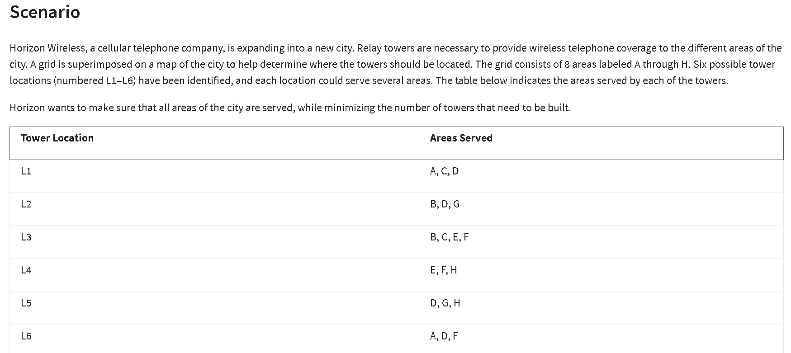
 | L1 | L2 | L3 | L4 | L5 | L6
 | 1 | 0 | 1 | 0 | 1 | 0 | Build tower o not? (1 or 0) | Binary =0 or 1
 | 1 | 1 | 1 | 1 | 1 | 1 | No. of areas covered | 0=yes
 |  |  |  |  |  |  |  | 1=no

Objective (min)
No. of towers | 3

Constraits: |  |  |  |  |  |  | LHS | Sign | RHS
A | 1 |  |  |  |  | 1 | 1 | >= | 1
B |  | 1 | 1 |  |  |  | 1 | >= | 1
C | 1 |  | 1 |  |  |  | 2 | >= | 1
D | 1 | 1 |  |  |  | 1 | 1 | >= | 1
E |  |  | 1 | 1 |  |  | 1 | >= | 1
F |  |  | 1 |  |  | 1 | 1 | >= | 1
G |  | 1 |  |  | 1 |  | 1 | >= | 1
H |  |  |  | 1 | 1 |  | 1 | >= | 1

